UA
Image | Gender | Style | Category | Color | XS | S | M | L | XL | 2XL | 3XL | 4XL | TTL Quantity | MSRP
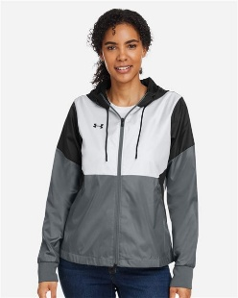 | Women's | 1359348 | Outerwear | Black/ Black | 72 | 435 | 487 | 212 | 76 | 31 |  |  | 1313 | $130.00
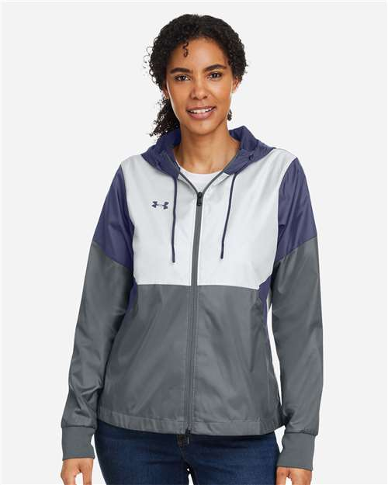 | Women's | 1359348 | Outerwear | Navy/ Navy | 58 | 259 | 352 | 265 | 87 |  |  |  | 1021 | $130.00
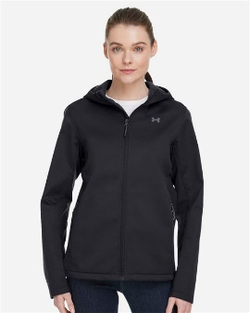 | Women's | 1371595 | Outerwear | Black/ White | 67 |  |  |  |  |  |  |  | 67 | $156.00
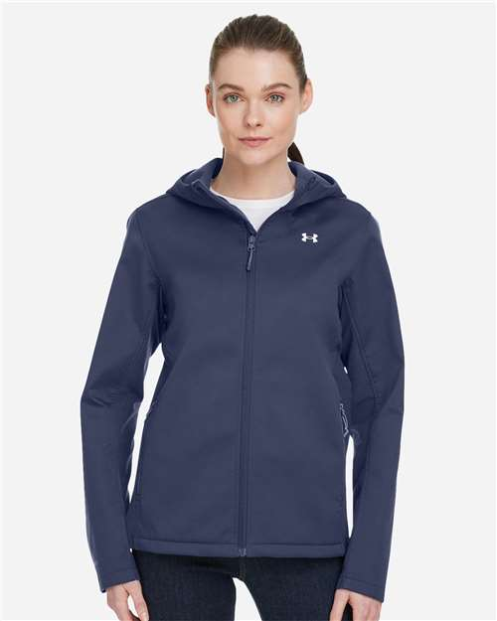 | Women's | 1371595 | Outerwear | Midnight Navy/ White | 64 | 281 | 373 | 181 | 80 | 37 |  |  | 1016 | $156.00
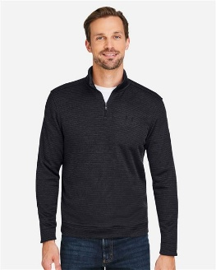 | Men's | 1373674 | Quarter-Zips | Black/ Black_001 |  | 71 | 614 | 899 | 612 | 386 | 81 | 26 | 2689 | $97.50
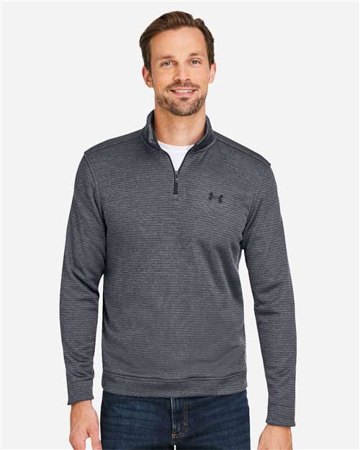 | Men's | 1373674 | Quarter-Zips | Pitch Grey/ Black |  | 91 | 492 | 802 | 549 | 331 | 96 | 56 | 2417 | $97.50
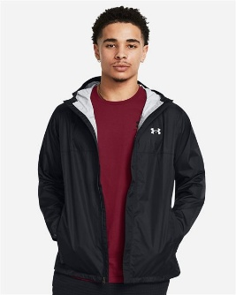 | Men's | 1374644 | Outerwear | Black/ Pitch Grey |  |  | 58 | 196 | 60 |  |  |  | 314 | $130.00
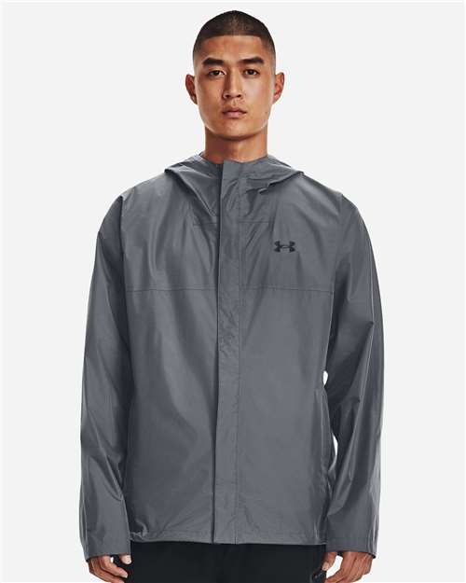 | Men's | 1374644 | Outerwear | Pitch Grey/ Black |  |  | 15 | 137 | 77 |  |  |  | 229 | $130.00
 |  |  |  |  |  |  |  |  |  |  |  |  | 9066

